New Release Brief
Go loud: | 2020-03-21 |  |  | Distributors and stores can pre-order: |  |  | Now |  | On Sale: | 2020-03-28
 |  |  |  | Stores can take pre-orders from: |  |  | 2020-03-21

Beasts vs Other Beasts

Warhammer Community articles for these releases can be found at -
https://www.warhammer-community.com/2020/03/09/the-fight-of-the-millenniumgw-homepage-post-1/
https://www.warhammer-community.com/2020/03/15/sunday-preview-beasts-vs-other-beasts/
https://www.youtube.com/watch?v=LckPg1KAxS8
https://www.youtube.com/watch?v=-qHwM7GvMl4

 |  |  | Psychic Awakening: Saga of the Beast

The next release in the Psychic Awakening series
An essential purchase for every collector, especially for Ork and Space Wolves players, with extensive updates for each army
The perfect purchase alongside the Prophecy of the Wolf

 |  | Type of Product |  | Status | System | Race | Sales Code | RRP
 |  | Hardback, 80pp |  | Range item | WH 40K | Various | 40-35 | £25.00 | MYR 155.00 | SGD 64.00

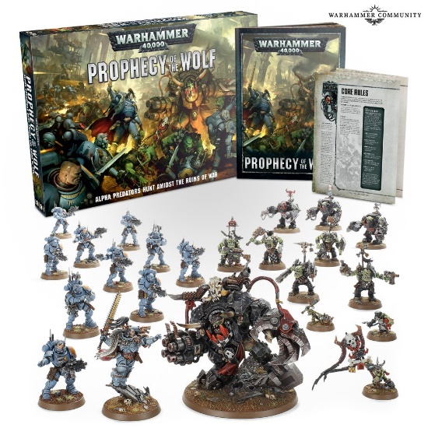
 |  |  | Prophecy of the Wolf

Contains 23 plastic Citadel miniatures, 3 of which are brand-new:
Ghazghkull Thraka and Makari for Orks, and Ragnar Blackmane for Space Wolves
Also includes: 10 Primaris Infiltrators/Incursors (48-97), 5 Ork Nobz and 1 Grot Ammo Runt (50-12), 3 Ork Meganobz and 1 Grot Oiler (50-08)
Approx 34% added value
Ork and Space Wolves players are going to want this set purely for Ghazghkull and Ragnar

 |  | Type of Product |  | Status | System | Race | Sales Code | RRP
 |  | Multipart plastic kit |  | Range item | WH 40K | Various | PW-60 | £105.00 | MYR 650.00 | SGD 256.00


 |  |  | Ragnar Blackmane: Saga of the Beast

Author: David Annandale • Duration: 5 CDs
Format: CD audio drama • Languages: English
Great audio drama box set featuring Ragnar Blackmane

 |  | Type of Product |  | Status | System | Race | Sales Code | RRP
 |  | CD audio drama |  | Range item | WH 40K | Various | BL2696 | £35.00 | MYR 220.00 | SGD 86.00

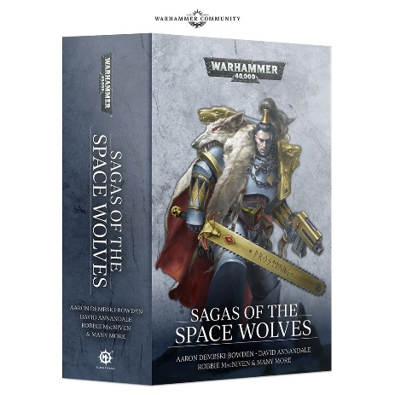
 |  |  | Sagas of the Space Wolves

Omnibus
Various authors
A great collection of stories focusing on the Space Wolves chapter

 |  | Type of Product |  | Status | System | Race | Sales Code | RRP
 |  | Paperback, 944pp |  | Range item | WH 40K | Space Wolf | BL2695 | £15.00 | MYR 95.00 | SGD 37.00

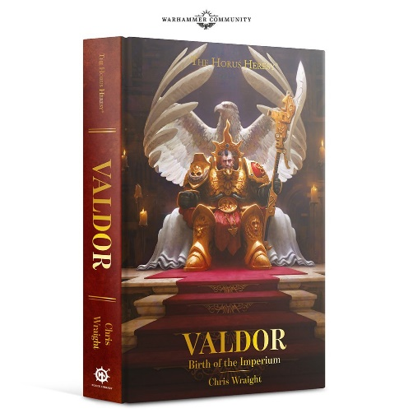
 |  |  | Valdor: Birth of the Imperium

New Release
By Chris Wraight
Nearing the end of the wars of Unity, Valdor’s courage and purpose is put to the test as never before
Ties in Adeptus Custodes and The Horus Heresy

 |  | Type of Product |  | Status | System | Race | Sales Code | RRP
 |  | Hardback, 208pp |  | Range item | Horus Heresy | Various | BL2804 | £12.99 | MYR 80.00 | SGD 32.00


 |  |  | Road to Redemption

New Release
By Mike Brooks
A new Necromunda novel featuring House Cawdor

 |  | Type of Product |  | Status | System | Race | Sales Code | RRP
 |  | Paperback, 304pp |  | Range item | Necromunda | House Cawdor | BL2811 | £8.99 | MYR 56.00 | SGD 24.00

